Data Prioritized
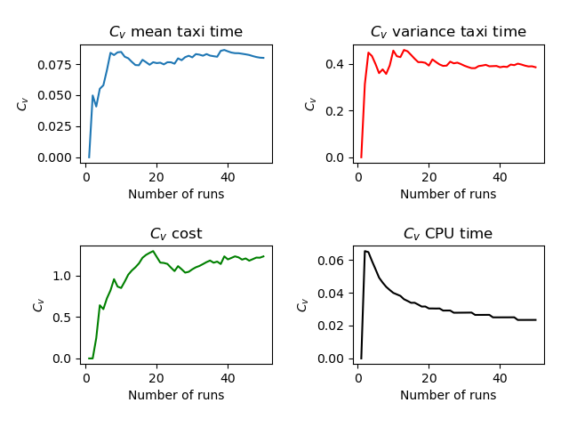
Run | Number of Aircraft | Maximum Spawn Time | Mean Taxitime | Variance Taxitime | Variance Cost | CPU Time
1 | 6 | 5 | 9.667 | 5.222 | 0.556 | 4.025
2 | 6 | 5 | 8.75 | 9.979 | 0.535 | 3.53
3 | 6 | 5 | 9.167 | 3.389 | 0.306 | 3.506
4 | 6 | 5 | 8.333 | 4.556 | 0 | 3.547
5 | 6 | 5 | 8.333 | 5.139 | 0.306 | 3.562
6 | 6 | 5 | 10 | 6.25 | 0.056 | 3.639
7 | 6 | 5 | 10.5 | 3.667 | 0.056 | 3.548
8 | 6 | 5 | 10 | 5 | 0 | 3.654
9 | 6 | 5 | 10.417 | 2.701 | 0.535 | 3.73
10 | 6 | 5 | 10.417 | 1.618 | 0.785 | 3.564
11 | 6 | 5 | 9.75 | 6.312 | 0.035 | 3.578
12 | 6 | 5 | 9 | 3.667 | 0 | 3.552
13 | 6 | 5 | 9.833 | 2.056 | 0.056 | 3.565
14 | 6 | 5 | 9.833 | 3.556 | 0.056 | 3.589
15 | 6 | 5 | 8.917 | 4.535 | 0.035 | 3.657
16 | 6 | 5 | 8.333 | 5.222 | 0 | 3.543
17 | 6 | 5 | 9.833 | 5.056 | 0.056 | 3.572
18 | 6 | 5 | 9.667 | 3.306 | 0.056 | 3.61
19 | 6 | 5 | 8.5 | 3.5 | 0.056 | 3.511
20 | 6 | 5 | 10.083 | 5.201 | 0.312 | 3.523
21 | 6 | 5 | 10.333 | 1.639 | 0.5 | 3.596
22 | 6 | 5 | 9.25 | 5.146 | 0.146 | 3.703
23 | 6 | 5 | 8.5 | 5 | 0.833 | 3.514
24 | 6 | 5 | 10.25 | 3.979 | 0.312 | 3.534
25 | 6 | 5 | 9.167 | 7.139 | 0.556 | 3.537
26 | 6 | 5 | 11 | 1.917 | 1.222 | 3.61
27 | 6 | 5 | 9.583 | 6.035 | 0.812 | 3.525
28 | 6 | 5 | 8.333 | 7.556 | 0.556 | 3.56
29 | 6 | 5 | 8.5 | 4.333 | 0.139 | 3.506
30 | 6 | 5 | 9.333 | 5.889 | 0 | 3.506
31 | 6 | 5 | 8.167 | 4.389 | 0.056 | 3.494
32 | 6 | 5 | 8.833 | 6.389 | 0.056 | 3.503
33 | 6 | 5 | 9 | 3.417 | 0.056 | 3.523
34 | 6 | 5 | 10.583 | 2.368 | 0.035 | 3.531
35 | 6 | 5 | 9.417 | 3.035 | 0.035 | 3.539
36 | 6 | 5 | 8.917 | 2.868 | 0.868 | 3.507
37 | 6 | 5 | 10.083 | 5.201 | 0.035 | 3.554
38 | 6 | 5 | 7.667 | 7.222 | 0.556 | 3.578
39 | 6 | 5 | 10.5 | 7.333 | 1.75 | 3.637
40 | 6 | 5 | 9.417 | 5.701 | 0.868 | 3.542
41 | 6 | 5 | 9.333 | 2.972 | 0.056 | 3.517
42 | 6 | 5 | 10.083 | 3.701 | 0.035 | 3.575
43 | 6 | 5 | 10.25 | 1.979 | 0.312 | 3.535
44 | 6 | 5 | 8.917 | 6.701 | 0.535 | 3.51
45 | 6 | 5 | 10.083 | 2.368 | 0.035 | 3.535
46 | 6 | 5 | 9 | 6.333 | 0.556 | 3.519
47 | 6 | 5 | 9.417 | 5.201 | 0.035 | 3.532
48 | 6 | 5 | 9.75 | 6.312 | 0.035 | 3.546
49 | 6 | 5 | 10 | 3.25 | 0.139 | 3.549
50 | 6 | 5 | 8.833 | 4.722 | 0.056 | 3.546
 | 6 | 5 | 9.43664 | 4.60054 | 0.29964 | 3.56736

